Design
Chart Title: | Figure 2.8: Map of overlapping forms of childhood stunting, anaemia and overweight in adult women
Source: | UNICEF / WHO / World Bank Group: Joint child malnutrition estimates, NCD Risk Factor Collaboration, WHO Global Health Observatory
Notes: | Burdens are based on national prevelance as follows: stunting in children aged under 5 years ≥20%; anaemia in women of reproductive age ≥20%; overweight (body mass index ≥25) in adult women aged 18+ years ≥35%; Null = Insufficient data - Red highlights small islands that need ifentifying on map
 |  |  | 108
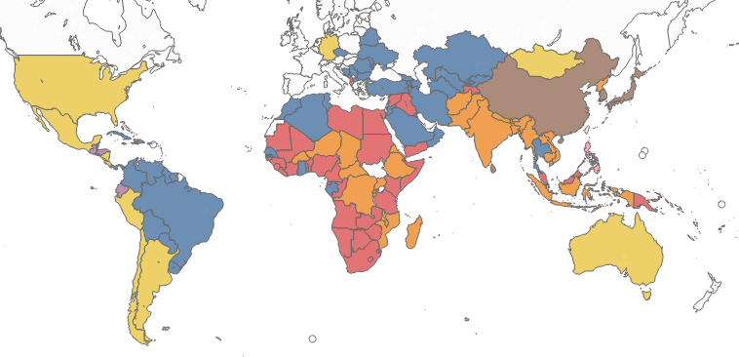
 | Country or Area | ISO-alpha3 Code | Category
 | Afghanistan | AFG | Anaemia and stunting
 | Albania | ALB | Overweight, anaemia and stunting
 | Algeria | DZA | Overweight and anaemia
 | Angola | AGO | Overweight, anaemia and stunting
 | Argentina | ARG | Overweight only
 | Armenia | ARM | Overweight and anaemia
 | Australia | AUS | Overweight only
 | Azerbaijan | AZE | Overweight and anaemia
 | Bangladesh | BGD | Anaemia and stunting
 | Barbados | BRB | Overweight and anaemia
 | Belarus | BLR | Overweight and anaemia
 | Belize | BLZ | Overweight and anaemia
 | Benin | BEN | Overweight, anaemia and stunting
 | Bhutan | BTN | Anaemia and stunting
 | Bolivia (Plurinational State of) | BOL | Overweight and anaemia
 | Bosnia and Herzegovina | BIH | Overweight and anaemia
 | Botswana | BWA | Overweight, anaemia and stunting
 | Brazil | BRA | Overweight and anaemia
 | Brunei Darussalam | BRN | Overweight only
 | Bulgaria | BGR | Overweight and anaemia
 | Burkina Faso | BFA | Anaemia and stunting
 | Burundi | BDI | Anaemia and stunting
 | Cambodia | KHM | Anaemia and stunting
 | Cameroon | CMR | Overweight, anaemia and stunting
 | Central African Republic | CAF | Anaemia and stunting
 | Chad | TCD | Anaemia and stunting
 | Chile | CHL | Overweight only
 | China | CHN | Anaemia only
 | Colombia | COL | Overweight and anaemia
 | Comoros | COM | Overweight, anaemia and stunting
 | Congo | COG | Overweight, anaemia and stunting
 | Costa Rica | CRI | Overweight only
 | Côte d'Ivoire | CIV | Overweight, anaemia and stunting
 | Cuba | CUB | Overweight and anaemia
 | Czechia | CZE | Overweight and anaemia
 | Democratic People's Republic of Korea | PRK | Anaemia and stunting
 | Democratic Republic of the Congo | COD | Anaemia and stunting
 | Djibouti | DJI | Overweight, anaemia and stunting
 | Dominican Republic | DOM | Overweight and anaemia
 | Ecuador | ECU | Overweight and stunting
 | Egypt | EGY | Overweight, anaemia and stunting
 | El Salvador | SLV | Overweight and anaemia
 | Equatorial Guinea | GNQ | Overweight, anaemia and stunting
 | Eritrea | ERI | Anaemia and stunting
 | Ethiopia | ETH | Anaemia and stunting
 | Fiji | FJI | Overweight and anaemia
 | Gabon | GAB | Overweight and anaemia
 | Gambia | GMB | Overweight, anaemia and stunting
 | Georgia | GEO | Overweight and anaemia
 | Germany | DEU | Overweight only
 | Ghana | GHA | Overweight and anaemia
 | Guatemala | GTM | Overweight and stunting
 | Guinea | GIN | Overweight, anaemia and stunting
 | Guinea-Bissau | GNB | Overweight, anaemia and stunting
 | Guyana | GUY | Overweight and anaemia
 | Haiti | HTI | Overweight, anaemia and stunting
 | Honduras | HND | Overweight and stunting
 | India | IND | Anaemia and stunting
 | Indonesia | IDN | Anaemia and stunting
 | Iran (Islamic Republic of) | IRN | Overweight and anaemia
 | Iraq | IRQ | Overweight, anaemia and stunting
 | Jamaica | JAM | Overweight and anaemia
 | Japan | JPN | Anaemia only
 | Jordan | JOR | Overweight and anaemia
 | Kazakhstan | KAZ | Overweight and anaemia
 | Kenya | KEN | Overweight, anaemia and stunting
 | Kuwait | KWT | Overweight and anaemia
 | Kyrgyzstan | KGZ | Overweight and anaemia
 | Lao People's Democratic Republic | LAO | Anaemia and stunting
 | Lebanon | LBN | Overweight and anaemia
 | Lesotho | LSO | Overweight, anaemia and stunting
 | Liberia | LBR | Overweight, anaemia and stunting
 | Libya | LBY | Overweight, anaemia and stunting
 | Madagascar | MDG | Anaemia and stunting
 | Malawi | MWI | Anaemia and stunting
 | Malaysia | MYS | Overweight, anaemia and stunting
 | Maldives | MDV | Overweight, anaemia and stunting
 | Mali | MLI | Overweight, anaemia and stunting
 | Mauritania | MRT | Overweight, anaemia and stunting
 | Mexico | MEX | Overweight only
 | Mongolia | MNG | Overweight only
 | Montenegro | MNE | Overweight and anaemia
 | Morocco | MAR | Overweight and anaemia
 | Mozambique | MOZ | Anaemia and stunting
 | Myanmar | MMR | Anaemia and stunting
 | Namibia | NAM | Overweight, anaemia and stunting
 | Nepal | NPL | Anaemia and stunting
 | Nicaragua | NIC | Overweight only
 | Niger | NER | Anaemia and stunting
 | Nigeria | NGA | Overweight, anaemia and stunting
 | Oman | OMN | Overweight and anaemia
 | Pakistan | PAK | Anaemia and stunting
 | Panama | PAN | Overweight and anaemia
 | Papua New Guinea | PNG | Overweight, anaemia and stunting
 | Paraguay | PRY | Overweight and anaemia
 | Peru | PER | Overweight only
 | Philippines | PHL | Stunting only
 | Republic of Korea | KOR | Anaemia only
 | Republic of Moldova | MDA | Overweight and anaemia
 | Romania | ROU | Overweight and anaemia
 | Rwanda | RWA | Anaemia and stunting
 | Saint Lucia | LCA | Overweight and anaemia
 | Samoa | WSM | Overweight and anaemia
 | Sao Tome and Principe | STP | Overweight and anaemia
 | Saudi Arabia | SAU | Overweight and anaemia
 | Senegal | SEN | Overweight and anaemia
 | Serbia | SRB | Overweight and anaemia
 | Seychelles | SYC | Overweight and anaemia
 | Sierra Leone | SLE | Overweight, anaemia and stunting
 | Singapore | SGP | Anaemia only
 | Solomon Islands | SLB | Overweight, anaemia and stunting
 | Somalia | SOM | Overweight, anaemia and stunting
 | South Africa | ZAF | Overweight, anaemia and stunting
 | Sri Lanka | LKA | Anaemia only
 | State of Palestine | PSE | Overweight and anaemia
 | Sudan | SDN | Overweight, anaemia and stunting
 | Suriname | SUR | Overweight and anaemia
 | Swaziland | SWZ | Overweight, anaemia and stunting
 | Syrian Arab Republic | SYR | Overweight, anaemia and stunting
 | Tajikistan | TJK | Overweight, anaemia and stunting
 | Thailand | THA | Overweight and anaemia
 | The former Yugoslav Republic of Macedonia | MKD | Overweight and anaemia
 | Timor-Leste | TLS | Anaemia and stunting
 | Togo | TGO | Overweight, anaemia and stunting
 | Tonga | TON | Overweight and anaemia
 | Trinidad and Tobago | TTO | Overweight and anaemia
 | Tunisia | TUN | Overweight and anaemia
 | Turkey | TUR | Overweight and anaemia
 | Turkmenistan | TKM | Overweight and anaemia
 | Uganda | UGA | Anaemia and stunting
 | Ukraine | UKR | Overweight and anaemia
 | United Republic of Tanzania | TZA | Overweight, anaemia and stunting
 | United States of America | USA | Overweight only
 | Uruguay | URY | Overweight and anaemia
 | Uzbekistan | UZB | Overweight and anaemia
 | Vanuatu | VUT | Overweight, anaemia and stunting
 | Venezuela (Bolivarian Republic of) | VEN | Overweight and anaemia
 | Viet Nam | VNM | Anaemia and stunting
 | Yemen | YEM | Overweight, anaemia and stunting
 | Zambia | ZMB | Overweight, anaemia and stunting
 | Zimbabwe | ZWE | Overweight, anaemia and stunting

